Sheet1
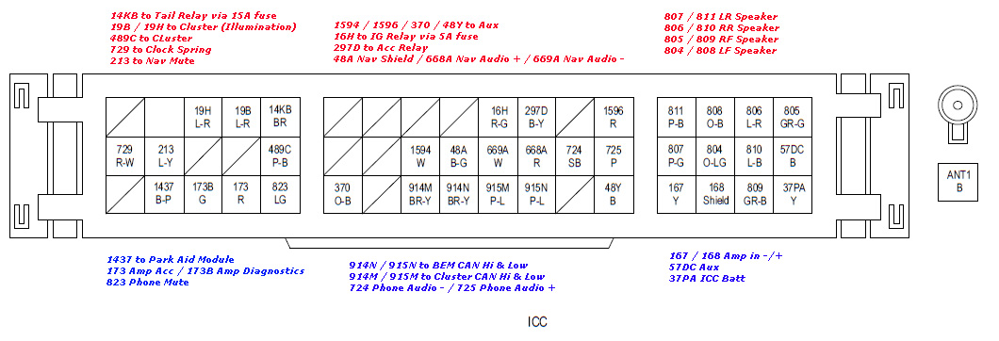
Name | Position | Input/Output | Description | Required/Optional
Tail Relay (via 15A fuse) | 14KB | Output
Cluster (illumination) | 19B/19H | Output
Cluster | 489C | Output
Clock Spring | 729 | Output
Nav Mute | 213 | Output
Aux | 1594/1596/370/48Y | Input | 4 pin connector, 12V constant, 12V acc, phone mute, ground | Optional
IG (Ignition) Relay (via 5A fuse) | 16H | Output
ACC (Accessories) Relay | 297D | Output
LR Speaker | 807/811 | Output |  | Required
RR Speaker | 806/810 | Output |  | Required
RF Speaker | 805/809 | Output |  | Required
LF Speaker | 804/808 | Output |  | Required
Park Aid Module | 1437
Amp Acc / Amp Diagnostics | 173/173B
Phone Mute | 823
BEM CAN Hi & Low | 914N/915N |  | CAN BUS System | Required
Cluster CAN Hi & Low | 914M/915M |  | CAN BUS System | Required
Phone Audio -+ | 724/725
Amp in -+ | 167/168
Aux | 57DC |  | 2 pin connector, aux +- audio signal
ICC Bat | 37PA |  | Power to the ICC | Required

